Application Screen
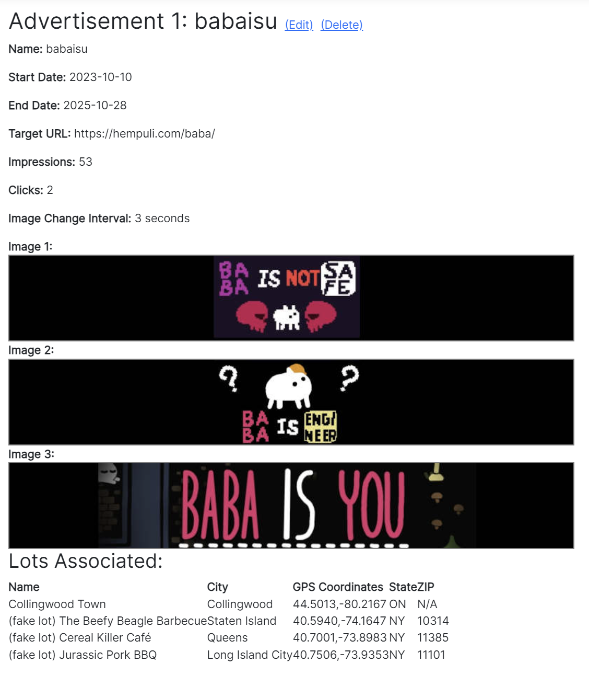

Test Case 1
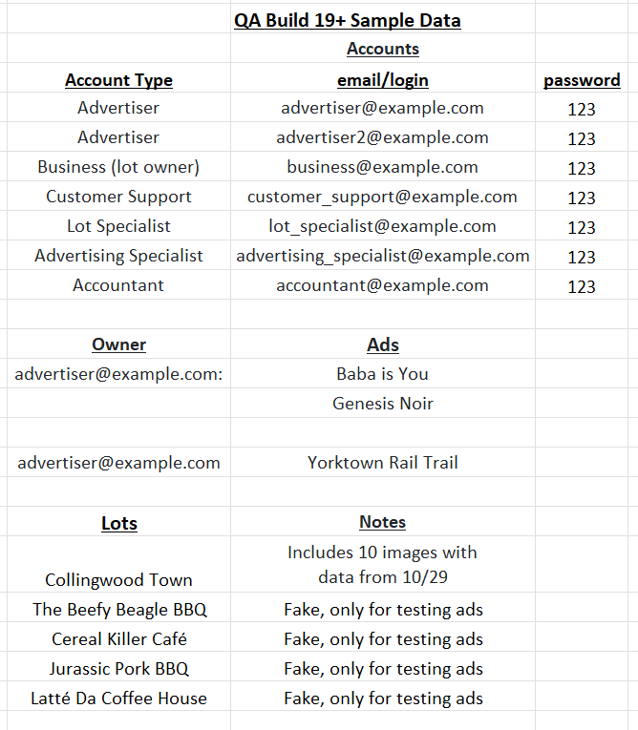
TC Title: | TC1. Core Functionality

TC Objective: | The objective of this test case to verify impressions and clicks are being properly registered by website, and displayed on statistics page.

TC Description
 | Step | Step Description | Expected Results
 | 1 | Login using Advertiser default testing acccount (email: advertiser@example.com, password: 123) | You should see the Advertisor Dashboard with 2 ads: "noir" and "babaisyou"
 | 2 | Make a note of the total impressions and clicks on both "noir" and "babaisyou" ads. | You should see a non-negative positive value for both numbers.
 | 3 | Confirm "Collingwood Town" is listed under "Lot Associated" for both "noir" and "babaisyou" ads. If not use edit to add "Collingwood Town" to both lots. | Both ads should be associated with "Collingwood Town"
 | 4 | In a new Private/Incognito window, open qa.gruevy.com. Click "Browse Parking Lots" and select "Collingwood Town" | A parking lot in Collingwood Town, with an advertisement on the top.
 | 5 | Refresh page until an image from "noir" ad appears. Click ad. In 2nd window with statistics still open, refresh page. | For 'noir' ad, clicks should be incremented by 1 and impressions should be incremented by 1 or more.
 | 6 | Refresh page until an image from "babaisyou" ad appears. Click ad. In 2nd window with statistics still open, refresh page. | For 'babaisyou' ad, clicks should be incremented by 1 and impressions should be incremented by 1 or more.

Test Case 4
TC Title: | TC4. Data Flow In
ParkEz 4.3 View Ad Statistics Data Flow Diagram
TC Objective: | Verify data flow in by confirming data from user and data from create ad is registered (e.g. lot associations). This can be accomplished by: 1. Check page usage (impressions and clicks) works by creating an impression and a click 2. Check lot associations are accurate by refreshing a lot with all ads until all ads appear, a lot with some ads to confirm only those ads appear, and a lot with no ads to confirm no ads appear.

Page usage
Ad statistics
2.1 Track Occupancy
Clicks & Impressions
4.3 View Ad Statistics
TC Description
 | Step | Step Description | Expected Results
 | 1 | Login using Advertiser2 default testing acccount (email: advertiser2@example.com, password: 123) | You should see the Advertisor Dashboard with 2 ads: "Yorktown" and "StarOld"
 | 2 | Confirm "StarOld" is linked to show on all lots, however, it's time window is expired 10/9/23 to 10/27/23… therefore it should not register on any lots. "Yorktown" is in the time window and linked with "Collingwood" and "Beefy Beagle" lots, and should appear on those lots. If these are not the defaults use "(edit)" to figure ads this way. | "Yorktown" is set to show up on "Collingwood" and "Beefy Beagle" lot pages, but "StarOld" will never show up on any lot page.
Ad content & which ads show on what lots
Ad content
 | 3 | Login using Advertiser default testing acccount (email: advertiser@example.com, password: 123) | You should see the Advertisor Dashboard with 2 ads: "noir" and "babaisyou"
4.1 Create Ad
 | 4 | Make a note of the total impressions and clicks on both "noir" and "babaisyou" ads. | You should record a non-negative whole number for both values
 | 5 | Confirm "noir" is linked to these lots: Collingwood Town (fake lot) The Beefy Beagle Barbecue (fake lot) Cereal Killer Café Confirm "babaisu" is linked to these lots: Collingwood Town (fake lot) The Beefy Beagle Barbecue (fake lot) Cereal Killer Café (fake lot) Jurassic Pork BBQ If not click "(edit)" and adjust associations for testing. | "noir" and "babaisu" ads should have the correct lot associations to test data flow in from ads on Ad Statistics
 | 6 | In a new Private/Incognito window, open qa.gruevy.com. Click "Browse Parking Lots" and select "Collingwood Town" | A parking lot in Collingwood Town, with an advertisement on the top.
 | 7 | Refresh page 30 times, making note that the page loads the 'yorktown', 'babaisyou' and 'noir'. After refreshing the page 30 times, refresh until you see the 'babaisu' ad and click it. | You will see 'yorktown', 'babaisu' and 'noir' ad, but you will never see 'StarOld' because its expired.
 | 8 | Refresh statistics page in other window. Move to 'babaisu' ad | Previously noted impressions will have increased. There will be one additional click
 | 9 | In a new Private/Incognito window, open qa.gruevy.com. Click "Browse Parking Lots" and select "(fake lot) Cereal Killer Café". Refresh 30 times and note results. | You will only see "noir" and "babaisyou" ads, as that is what is associated with that page.
 | 10 | In a new Private/Incognito window, open qa.gruevy.com. Click "Browse Parking Lots" and select "(fake lot) Latté Da Coffee House". Refresh 30 times and note results. | No ads will appear, as only ad associated it is "OldStar" which is expired, and no other ads are.

